Hoja1
 | PINS and PORTS availables
 | Port A | Port B | Port C | Port D
 | 0 | 0 | 0 | 2
 | 1 | 1 | 1
 | 4 | 2 | 2
 | 5 | 4 | 3
 | 6 | 5 | 4
WHEN YOU WORK IN CUSTOME MODE
 | 7 | 6 | 5
${duty}_{count}=CCRx_{count}$
WHEN YOU WORK IN AUTOMATIC MODE
 | 8 | 7 | 6
 | 9 | 8 | 7
 | 10 | 9 | 8
$$Preescaler=\left(\frac{Clock_{Hz}}{\left(ARR+1\right)∗\left({\text{Desired} \text{Frequency}}_{Hz}\right)}\right)−1$$
 | 11 | 10 | 9
$${Time}_{ON}=\left(\frac{10}{Clock_{Hz}}\right) ∗\left(Preescaler\right)∗\left(duty_{PORCENT}\right)$$
 | 12 | 12 | 10 |  |  |  |  |  |  |  | TIMERS
 | 15 | 13 | 11 |  |  |  |  |  |  |  | TIMERS | Bits | Count type | Handler?
 |  | 14 | 12 |  |  |  |  |  |  |  | TIM1 | 16 | up/down | No global interrupt
Frequency $=\left(\frac{Clock_{Hz}}{\left(ARR+1\right)∗\left(Preescaler\right)}\right)$
 |  | 15 | 13 |  |  |  |  |  |  |  | TIM2 & TIM5 | 32 | up/down | Yes global interrupt
$${Time}_{OFF}=\left(\frac{10}{Clock_{Hz}}\right) ∗\left(Preescaler\right)∗\left(100\%−duty_{PORCENT}\right)$$
 |  |  |  |  |  |  |  |  |  |  | TIM3 & TIM4 | 16 | up/down | Yes global interrupt
 |  |  |  |  |  |  |  |  |  |  | TIM9 | 16 | up | Yes global interrupt
 |  |  |  |  |  |  |  |  |  |  | TIM10 &TIM11 | 16 | up | Yes global interrupt
$${Time}_{ON}=\left(\frac{1}{Clock_{Hz}}\right) ∗\left(Preescaler\right)∗\left(duty_{count}\right)$$
 | Port A | Function 1 | Function 2 |  | Function 3 | Function 4 | Function 5 | Function 6
 | 0 |  |  |  | ADC_CHN0 | PWM_TIM5_CH1(P) |  |  |  |  | ADC channel | GPIO
ARR$=1024 (defined by default)$
 | 1 |  |  |  | ADC_CHN1 | PWM_TIM5_CH2 (P) |  |  |  |  | channel 0 | GPIO_A0 |  | PWM
Only for uart | 2 |  |  |  |  |  | UART2 TX (only for uart) |  |  |  | channel 1 | GPIO_A1 |  | GPIO | Channel | ALT funtion
$${Time}_{OFF}=\left(\frac{1}{Clock_{Hz}}\right) ∗\left(Preescaler\right)∗\left(ARR−duty_{count}\right)$$
Only for uart | 3 |  |  |  |  |  | UART2 RX (only for uart) |  |  |  | channel 2 | GPIO_A2 |  | Pin_A0 | TIM5_CH1 | AF2 | Pending
 | 4 | Motor 4bits | 4x4 teclado | R1 | ADC_CHN4 |  | UART2 CK (synchronous) |  |  |  | channel 3 | GPIO_A3 |  | Pin_A1 | TIM5_CH2 | AF2 | Pending
LED | 5 |  |  | R2 | ADC_CHN5 |  |  |  |  |  | channel 4 | GPIO_A4 |  | Pin_A2 | TIM5_CH3, TIM9_CH1 | AF2,AF3
$T_{period}=\frac{1}{f_{Hz}}$
 | 6 |  |  | R3 | ADC_CHN6 |  |  |  |  |  | channel 5 | GPIO_A5 |  | Pin_A3 | TIM5_CH4, TIM9_CH2 | AF2,AF3
 | 7 |  |  | R4 | ADC_CHN7 |  |  |  |  |  | channel 6 | GPIO_A6 |  | Pin_A6 | TIM3_CH1 | AF2
 | 8 | Motor 4bits |  | C1 |  |  | UART1 CK (synchronous) | I2C3_SCL |  |  | channel 7 | GPIO_A7 |  | Pin_A7 | TIM3_CH2 | AF2
 | 9 |  |  | C2 |  |  |  |  |  |  | channel 8 | GPIO_B0 |  | Pin_B0 | TIM3_CH3 | AF2
 | 10 |  |  | C3 |  |  |  |  |  |  | channel 9 | GPIO_B1 |  | Pin_B1 | TIM3_CH4 | AF2
 | 11 |  |  | C4 |  |  |  |  |  |  | channel 10 | GPIO_C0 |  | Pin_D12 | TIM4_CH1 | AF2
 | 12 |  |  |  |  |  |  |  |  |  | channel 11 | GPIO_C1 |  | Pin_D13 | TIM4_CH2 | AF2
 | 13 |  |  |  |  |  |  |  |  |  | channel 12 | GPIO_C2 |  | Pin_D14 | TIM4_CH3 | AF2
 | 14 |  |  |  |  |  |  |  |  |  | channel 13 | GPIO_C3 |  | Pin_D15 | TIM4_CH4 | AF2
 | 15 |  |  |  |  |  |  |  |  |  | channel 14 | GPIO_C4 |  | Pin_C6 | TIM3_CH1 | AF2
 |  |  |  |  |  |  |  |  |  |  | channel 15 | GPIO_C5 |  | Pin_C7 | TIM3_CH2 | AF2
 |  |  |  |  |  |  |  |  |  |  |  |  |  | Pin_C8 | TIM3_CH3 | AF2
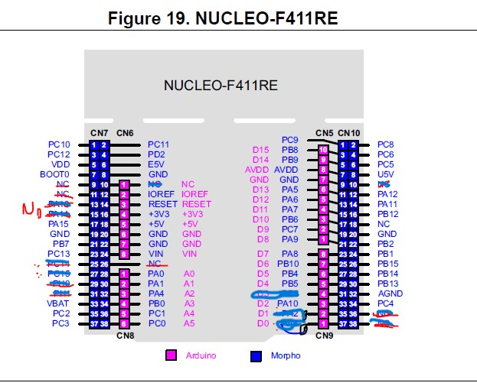
 | Port B | Function 1 | Function 2 |  | Function 3 | Function 4 | Function 5 | Function 6 |  |  |  |  |  | Pin_C9 | TIM3_CH4 | AF2
 | 0 |  |  |  | ADC_CHN8 | PWM_TIM3_CH3 |  |  |  |  |  |  |  | Pin_B4 | TIM3_CH1 | AF2
 | 1 |  |  |  | ADC_CHN9 | PWM_TIM3_CH4 |  |  |  |  |  |  |  | Pin_B5 | TIM3_CH2 | AF2
 | 2 |  |  |  |  |  |  |  |  |  |  |  |  | Pin_B6 | TIM4_CH1 | AF2
use SWO | 3 |  |  |  |  |  |  |  |  |  |  |  |  | Pin_B7 | TIM4_CH2 | AF2
 | 4 |  | LCD | RS |  | PWM_TIM3_CH1 |  |  |  |  |  |  |  | Pin_B8 | TIM4_CH3 | AF2
 | 5 |  |  | RW |  | PWM_TIM3_CH2 |  |  |  |  |  |  |  | Pin_B9 | TIM4_CH4 | AF2
 | 6 |  |  | E |  | PWM_TIM4_CH1 | UART1 TX
 | 7 |  |  | D4 |  | PWM_TIM4_CH2 | UART1 RX
 | 8 |  |  | D5 |  | PWM_TIM4_CH3 |  | I2C1_SCL
 | 9 |  |  | D6 |  | PWM_TIM4_CH4 |  | I2C1_SDA
 | 10 |  |  | D7
Not connected | 11
 | 12 | motor 4 bits
 | 13
 | 14
 | 15

 | Port C | Function 1 | Function 2 | Function 3 |  | Function 4 |  | Function 5 | Function 6 | Function 7
 | 0 | motor 8 bit | motor 4 bits |  |  |  |  | ADC_CHN10
 | 1 |  |  |  |  |  |  | ADC_CHN11
 | 2 |  |  |  |  |  |  | ADC_CHN12
 | 3 |  |  |  |  |  |  | ADC_CHN13
 | 4 |  |  |  |  |  |  | ADC_CHN14
 | 5 |  |  | 4x4 teclado | R1 |  |  | ADC_CHN15
 | 6 |  |  |  | R2 | LCD | RS |  | UART6 TX
 | 7 |  |  |  | R3 |  | RW |  | UART6 RX
 | 8 |  |  |  | R4 |  | E |  | UART6 CK (synchronous)
 | 9 |  |  |  | C1 |  | D4 |  |  | I2C3_SDA
 | 10 |  |  |  | C2 |  | D5
 | 11 |  |  |  | C3 |  | D6
 | 12 |  |  |  | C4 |  | D7
button b1 | 13
 | 14
 | 15

 | Port D
 | 2

